Explanation
This file is part of a series of files to make the numerical outputs of the European Forest Sector Outlook Study (EFSOS II) more accessible. This file contains a summary of all 4 quantified scenarios in terms of wood balance, product balance and trade balance, analogous to Table 20 of the main report. Data are from various sources within the model framework of EFSOS II. The file is prepared by M.J. Schelhaas (Alterra, Wageningen UR). Information on the whole EFSOS II study can be found in the main report:
UNECE and FAO 2011 The European Forest Sector Outlook Study II 2010-2030. United Nations, New York and Geneva, 2011 (abbreviated to EFSOS II)
When using the data, please include the abovementioned reference.
How to use the file: Go to the sheet 'Summary sheet', and select the country or country group you are interested in, in the top line. The table shows the main data for wood, product and trade balance for the selected country (group).

Scenarios
The EFSOS II main report includes a Reference scenario and four Policy scenarios. Originally, it was foreseen to have two reference scenarios, one based on the IPCC A1 SRES scenario, and one on the IPCC B2 SRES scenario. All four Policy scenarios would be tested against both the A1 and B2 background data. Due to resource constraints, only the B2 Reference scenario was finally presented, along with the four policy scenarios. Some models projected both the A1 and B2 scenarios. In those cases, scenarios are named as A1 Reference, A1 wood energy, etc., and their data is included in the files. If no indication is given on the SRES scenario, it is always based on the B2 background data. Minor inconsistencies between naming of the scenarios might be encountered in the different Excel files.
The four policy scenarios are Maximising biomass carbon; Promoting wood energy; Priority to biodiversity and Fostering innovation and competitiveness. The Maximising biomass carbon scenario explored how much more carbon could be sequestered by European forests, without reducing the annual harvest of stemwood for products and energy, and without expanding the area of forest. In the Promoting wood energy scenario, absolute priority is attached to meeting the official targets for renewable energy. The Priority to biodiversity scenario assumes a significant increase in area of forest protected for biodiversity conservation (6.2 million ha more than in the Reference scenario) and several measures intended to promote biodiversity in forests available for wood supply: no extraction at all of harvest residues or stumps, longer rotations and more mixed stands. Demand for wood (for products and energy) is assumed to remain unchanged from the Reference scenario, as are the non-forest components of wood supply. The Fostering innovation and competitiveness scenario assumes that the forest sector would become considerably more innovative than at present, under the influence of framework conditions transformed by policy measures and the attitudes of actors in the sector. This scenario is only qualitatively described and thus not projected by any of the models.

Countries-Regions
EFSOS - countries and regions

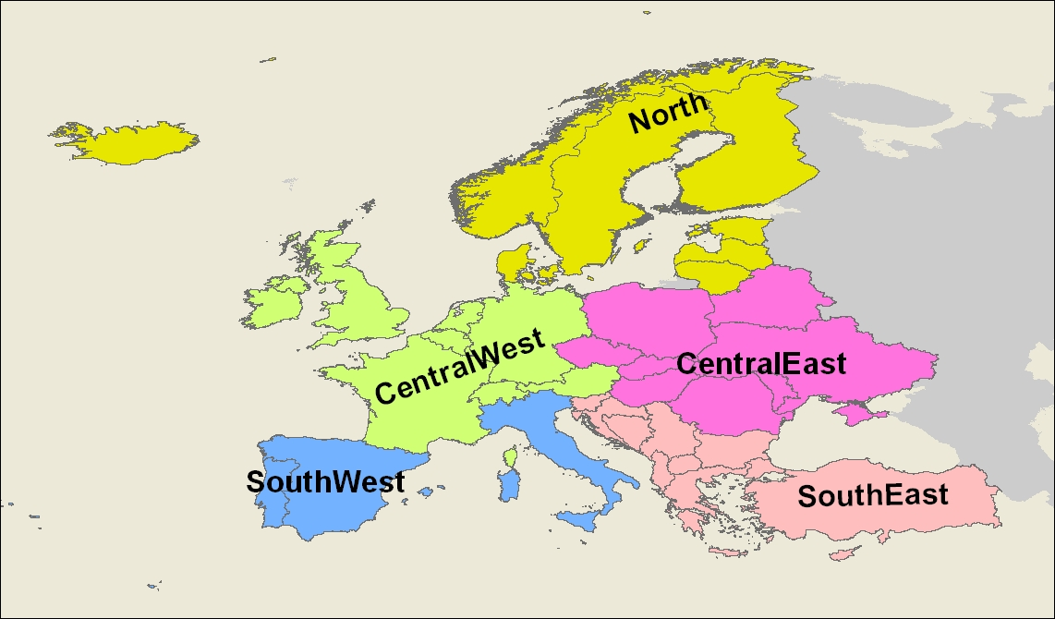
 | Country | Prefix1 | EFSOS
 | Name | Code | region

1 | BELARUS | BY | ECE | CentralEast
2 | CZECH REPUBLIC | CZ | ECE | CentralEast
3 | HUNGARY | HU | ECE | CentralEast
4 | REP MOLDAVIA | MD | ECE | CentralEast
5 | POLAND | PL | ECE | CentralEast
6 | ROMANIA | RO | ECE | CentralEast
7 | SLOVAKIA | SK | ECE | CentralEast
8 | UKRAINE | UA | ECE | CentralEast
9 | AUSTRIA | AT | ECW | CentralWest
10 | BELGIUM | BE | ECW | CentralWest
11 | SWITZERLAND | CH | ECW | CentralWest
12 | GERMANY | DE | ECW | CentralWest
13 | FRANCE | FR | ECW | CentralWest
14 | UNITED KINGDOM | GB | ECW | CentralWest
15 | IRELAND | IE | ECW | CentralWest
16 | LUXEMBOURG | LU | ECW | CentralWest
17 | NETHERLANDS | NL | ECW | CentralWest
18 | ALBANIA | AL | ESE | SouthEast
19 | BOSNIA-HERZEG | BA | ESE | SouthEast
20 | BULGARIA | BG | ESE | SouthEast
21 | CYPRUS | CY | ESE | SouthEast
22 | GREECE | GR | ESE | SouthEast
23 | CROATIA | HR | ESE | SouthEast
24 | MONTENEGRO | ME | ESE | SouthEast
25 | MACEDONIA | MK | ESE | SouthEast
26 | SERBIA | RS | ESE | SouthEast
27 | SLOVENIA | SI | ESE | SouthEast
28 | TURKEY | TR | ESE | SouthEast
29 | SPAIN | ES | ESW | SouthWest
30 | ITALY | IT | ESW | SouthWest
31 | MALTA | MT | ESW | SouthWest
32 | PORTUGAL | PT | ESW | SouthWest
33 | DENMARK | DK | EUN | North
34 | ESTONIA | EE | EUN | North
35 | FINLAND | FI | EUN | North
36 | ICELAND | IS | EUN | North
37 | LITHUANIA | LT | EUN | North
38 | LATVIA | LV | EUN | North
39 | NORWAY | NO | EUN | North
40 | SWEDEN | SE | EUN | North

